Transportation - SO
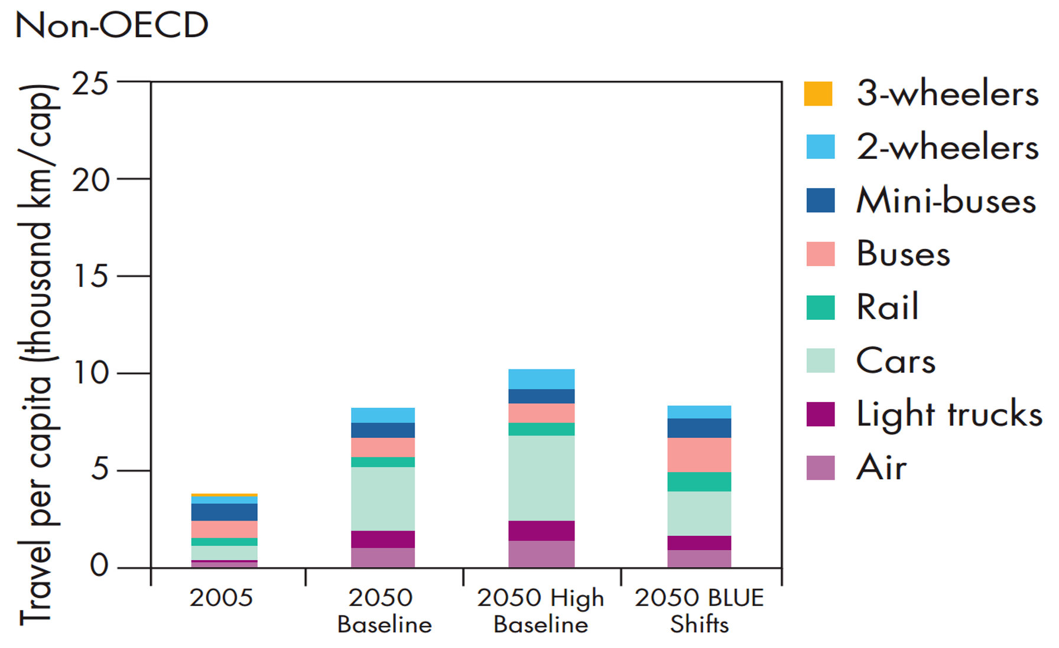
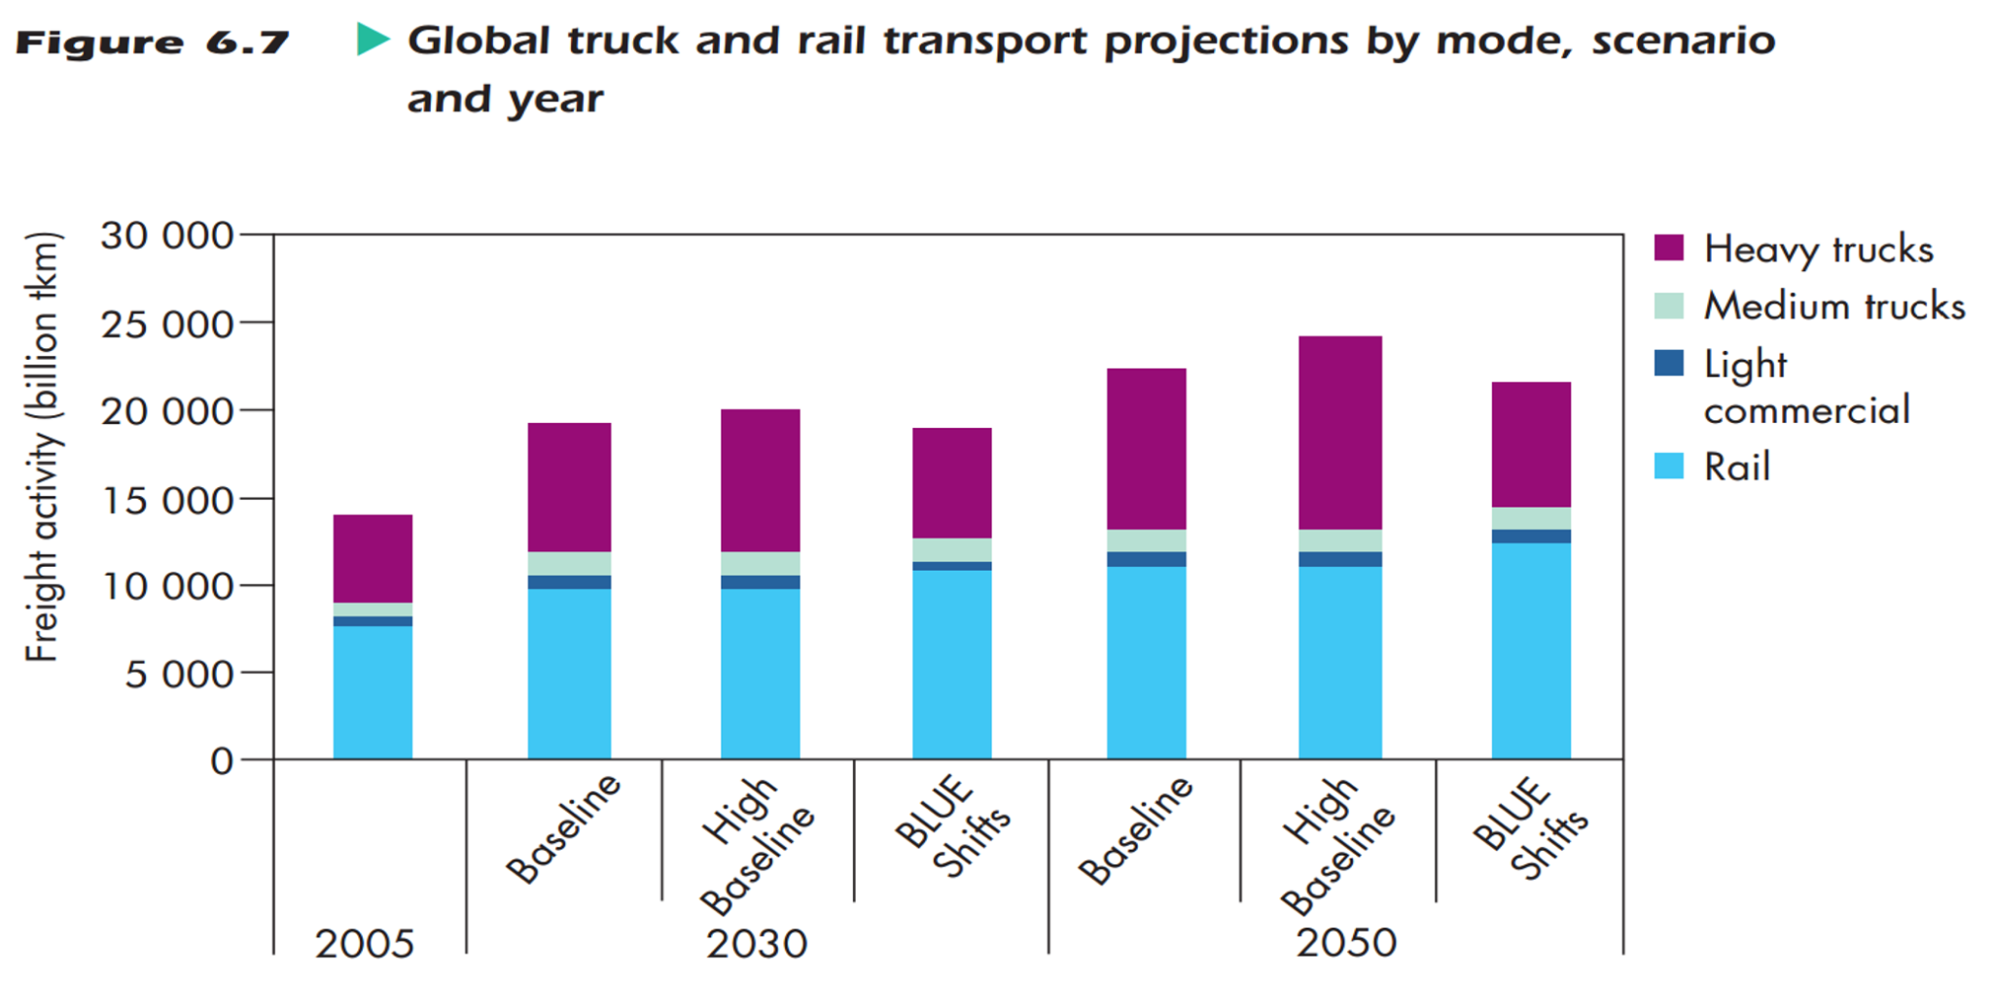
Transportation | Not including projection data & BAU cargo distance transported

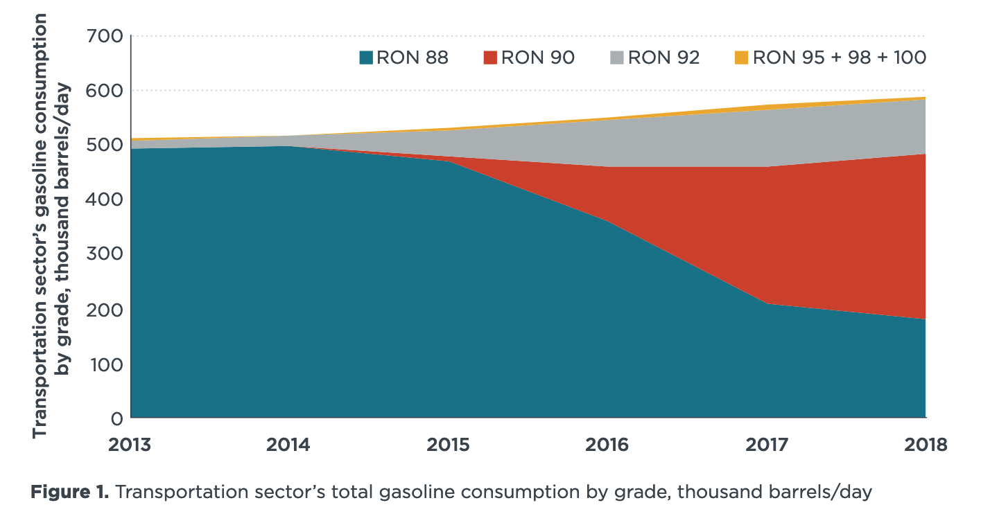
 | Transportation Sector Fuel Used x by Fuel Type
 | Source: Handbook of Energy & Economic Statistics of Indonesia 2021 |  |  |  |  | (Thousand BOE)
 |  | 2017 | 2018 | 2019 | 2020 | 2021
 | Transportation Gas (MMSCF) | 92 | 234 | 198 | 74 | 66
aircraft fuel | Transportation fuel: avgas | 16 | 21 | 13 | 8 | 6
aircraft fuel | Transportation fuel: avtur | 31,640 | 33681 | 29,633 | 16,342 | 11,968
 | Transportation fuel: gasoline RON88 | 70,632 | 70,632 | 60805 | 66067 | 48853
 | Transportation fuel: gasoline RON92 | 36,062 | 32,885 | 24792 | 23642 | 33294
 | Transportation fuel: gasoline RON 95+98+100 | 2,214 | 2249 | 1903 | 2058 | 2804
 | Transportation fuel: gasoline RON 90 | 84,424 | 84424 | 103186 | 113117 | 105729
 | Transportation fuel: gasoline CN 51 | 2,542 | 4322 | 3550 | 3290 | 4548
 | Transportation fuel: gasoline CN 53 | 1,159 | 1297 | 1862 | 1739 | 2164
 | Transportation fuel: kerosene | 1 | 1 | 1 | 1 | 1
 | Transportation fuel: gasoli CN 48 | 40,707 | 30265 | 1797 | 3348 | 6057
 | Transportation fuel: MDF | 22 | 16 | 13 | 9 | 12 |  |  |  |  |  |  |  |  | Source: Xie and Harjono (2020) The retail fuels market in Indonesia, ICCT https://theicct.org/wp-content/uploads/2021/06/Retail-fuels-indonesia-oct2020.pdf
 | Transportation fuel: fuel oil | 239 | 256 | 192 | 149 | 158
 | Transportation fuel: biogas-oil | 93,882 | 130276 | 169889 | 158743 | 171810
 | Transportation electricity | 144 | 168 | 185 | 179 | 194

 | Transport Vehicle Stock by Type
 | Source: ASEAN https://data.aseanstats.org/indicator/ASE.TRP.ROD.B.005)
 |  | 2008 | 2009 | 2010 | 2011 | 2012 | 2013 | 2014 | 2015 | 2016 | 2017 | 2018 | 2019 | 2020
 | Total number of registered road motor vehicles (in thousand) | 61,685.06 | 67,336.64 | 76,907.13 | 85,601.35 | 94,373.00 | 103,913.00 | 113,354.00 | 120,786.00 | 128,069.00 | 130,562.00 | 140,785.00 | 126,416.00 | 131,083.00
 | Total number of public buses (in thousand) | 19.97 | 18.91 | 20.8 | 21.16 | 21.72 | 22.88 | 22.54 | 23.46 | 22.74 | 16.24 | 16.35 | 12.37 | 13.2
 | Total number of registered trucks (in thousand) | 4,452.34 | 4,498.17 | 4,687.79 | 4,958.74 | 5,286.06 | 5,156.00 | 5,570.00 | 5,907.00 | 6,248.00 | 6,368.00 | 6,888.00 | 4,701.00 | 4,855.00
 | Total number of registered passenger cars (in thousand) | 7,489.85 | 7,910.41 | 8,891.04 | 9,548.87 | 10,432.26 | 10,540.00 | 11,561.00 | 12,424.00 | 13,278.00 | 13,589.00 | 17,072.00 | 14,848.00 | 15,394.00

 |  | Units: thing*miles
 | From Indonesia's previous EPS | BAU Cargo Dist Transported (EPS and ICCT)
 | Passenger*km per capita
 | Scenario | LDVs | HDVs | aircraft | rail | ships | motorbikes | Total |  | http://www.iea.org/publications/freepublications/publication/transport2009.pdf
 | 2050 Baseline | 94 | 40 | 21 | 12 | 0 | 17 | 167 |  | Passengers: Page 215, Figure 5.12
 | 2050 BLUE Shifts | 68 | 61 | 19 | 23 | 0 | 15 | 171 |  | Freight: Page 275, Figure 6.7
 | % Change due to TDM Package | -27.70% | 52.50% | -9.50% | 91.70% | 0.00% | -11.80% | 2.40% |  | Contact Ginn Library for accessing data

 | Freight*tons
 | Scenario | Trucks | Rail | Total
 | 2050 Baseline | 137 | 134 | 271
 | 2050 BLUE Shifts | 113 | 151 | 264
 | % Change due to TDM Package | -17.50% | 12.70% | -2.60%

Commercial-SO
 | Commercial sector | Not including projection data

 | Commercial Sector Fuel Used x by Fuel Type
 | Source: Handbook of Energy & Economic Statistics of Indonesia 2021 |  |  |  |  |  |  |  | (Thousand BOE)
 |  | 2014 | 2015 | 2016 | 2017 | 2018 | 2019 | 2020 | 2021
 | Electricity | 29,701 | 30576 | 33103 | 34452 | 36516 | 38993 | 35652 | 36918
 | Biomass | 1353 | 1346 | 1340 | 1333 | 1326 | 1320 | 1313 | 1307
 | Gas | 1447 | 1435 | 1272 | 1204 | 1211 | 1234 | 732 | 701
Fuel | Kerosene | 272 | 216 | 168 | 172 | 168 | 159 | 147 | 147
 | Gasoil CN 48 | 6095 | 4269 | 3981 | 3586 | 2666 | 158 | 295 | 534
 | Biogas-oil | 0 | 0 | 0 | 0 | 0 | 1918 | 1793 | 1940
 | MDF | 2 | 2 | 1 | 3 | 2 | 2 | 1 | 2
 | LPG | 1379 | 1444 | 1504 | 1628 | 1712 | 1758 | 1816 | 1936

Commercial Sector Fuel Use by Fuel Type

Economics - DM
Units | Other Source: PwC |  |  |  | Vensim
 | 1 | 2 | 3 | 4 | 1 | 2 | 3 | 4 | 5 |  | 2020 | 2021 | 2022 | 2023 | 2024 | 2025 | 2026 | 2027 | 2028 | 2029 | 2030 | 2031 | 2032 | 2033 | 2034 | 2035 | 2036 | 2037 | 2038 | 2039 | 2040 | 2041 | 2042 | 2043 | 2044 | 2045 | 2046 | 2047 | 2048 | 2049 | 2050
US$ 2012 |  |  |  |  | Gross Domestic Product |  |  |  |  | EPS | 1.96E+13 | 1.98E+13 | 2.01E+13 | 2.04E+13 | 2.08E+13 | 2.11E+13 | 2.15E+13 | 2.19E+13 | 2.23E+13 | 2.27E+13 | 2.31E+13 | 2.35E+13 | 2.39E+13 | 2.43E+13 | 2.48E+13 | 2.52E+13 | 2.57E+13 | 2.62E+13 | 2.67E+13 | 2.72E+13 | 2.77E+13 | 2.82E+13 | 2.88E+13 | 2.93E+13 | 2.99E+13 | 3.05E+13 | 3.11E+13 | 3.17E+13 | 3.24E+13 | 3.30E+13 | 3.37E+13

US$ 2012 | GDP in PPP terms |  |  |  |  |  |  |  |  | PwC | 3.64E+12 | 3.77E+12 | 3.90E+12 | 4.04E+12 | 4.17E+12 | 4.31E+12 | 4.48E+12 | 4.65E+12 | 4.82E+12 | 5.00E+12 | 5.17E+12 | 5.38E+12 | 5.59E+12 | 5.80E+12 | 6.01E+12 | 6.22E+12 | 6.45E+12 | 6.68E+12 | 6.91E+12 | 7.14E+12 | 7.37E+12 | 7.62E+12 | 7.87E+12 | 8.12E+12 | 8.36E+12 | 8.61E+12 | 8.90E+12 | 9.19E+12 | 9.47E+12 | 9.76E+12 | 1.00E+13

 |  |  |  |  | interest rates |  |  |  |  |  | 2021 | 2020 | 2019 | 2018 | 2017 | 2016 | 2015 | 2014 | 2013 | 2012 | 2011 | 2010 | 2009 | 2008 | 2007 | 2006 | 2005 | 2004 | 2003 | 2002 | 2001 | 2000
 |  |  |  |  |  |  |  |  |  | BI Rate (Yearly) | 3.52 | 4.25 | 5.63 | 5.1 | 4.56 | 6 | 7.52 | 7.54 | 6.48 | 5.77 | 6 | 6.5 | 6.5 | 9.25 | 8 | 9.75 | 12.75 | n.a | n.a | n.a | n.a | n.a

 |  |  |  |  | GDP |  |  |  |  |  | 2021 | 2020 | 2019 | 2018 | 2017 | 2016 | 2015 | 2014 | 2013 | 2012 | 2011 | 2010 | 2009 | 2008 | 2007 | 2006 | 2005 | 2004 | 2003 | 2002 | 2001 | 2000
 |  |  |  |  |  |  |  |  |  | GitHub |  |  |  | 3.08E+12 | 2.92E+12 | 2.78E+12 | 2.65E+12 | 2.53E+12 | 2.41E+12 | 2.28E+12 | 2.15E+12 | 2.02E+12 | 1.89E+12 | 1.79E+12 | 1.66E+12 | 1.56E+12 | 1.47E+12 | 1.38E+12 | 1.31E+12 | 1.24E+12 | 1.19E+12 | 1.14E+12

Exog GDP Data
PwC: | https://www.pwc.com/gx/en/research-insights/economy/the-world-in-2050.html#data

Units: 2016 US$ trillions | 2016 | 2020 | 2025 | 2030 | 2035 | 2040 | 2045 | 2050
 | 3.0 | 3.8 | 4.5 | 5.4 | 6.5 | 7.7 | 9.0 | 10.5

Linear Interpolation of above data:
 | 2016 | 2017 | 2018 | 2019 | 2020 | 2021 | 2022 | 2023 | 2024 | 2025 | 2026 | 2027 | 2028 | 2029 | 2030 | 2031 | 2032 | 2033 | 2034 | 2035 | 2036 | 2037 | 2038 | 2039 | 2040 | 2041 | 2042 | 2043 | 2044 | 2045 | 2046 | 2047 | 2048 | 2049 | 2050
in US$ 2016 trillions | 3.0 | 3.2 | 3.4 | 3.6 | 3.8 | 3.9 | 4.1 | 4.2 | 4.4 | 4.5 | 4.7 | 4.9 | 5.0 | 5.2 | 5.4 | 5.6 | 5.8 | 6.1 | 6.3 | 6.5 | 6.7 | 7.0 | 7.2 | 7.5 | 7.7 | 8.0 | 8.2 | 8.5 | 8.7 | 9.0 | 9.3 | 9.6 | 9.9 | 10.2 | 10.5
in US$ 2012 | 2.87E+12 | 3.06E+12 | 3.25E+12 | 3.45E+12 | 3.64E+12 | 3.77E+12 | 3.90E+12 | 4.04E+12 | 4.17E+12 | 4.31E+12 | 4.48E+12 | 4.65E+12 | 4.82E+12 | 5.00E+12 | 5.17E+12 | 5.38E+12 | 5.59E+12 | 5.80E+12 | 6.01E+12 | 6.22E+12 | 6.45E+12 | 6.68E+12 | 6.91E+12 | 7.14E+12 | 7.37E+12 | 7.62E+12 | 7.87E+12 | 8.12E+12 | 8.36E+12 | 8.61E+12 | 8.90E+12 | 9.19E+12 | 9.47E+12 | 9.76E+12 | 1.00E+13

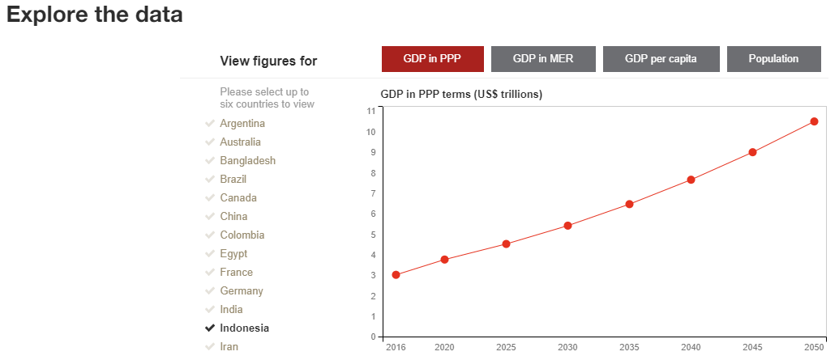

EIA GDP Data | NOTE: EIA doesn't explicitly specify, but like uses Indonesia Central Bureau of Statistics as their source
GDP (Billion 2015$ PPP) |  | 1980 | 1981 | 1982 | 1983 | 1984 | 1985 | 1986 | 1987 | 1988 | 1989 | 1990 | 1991 | 1992 | 1993 | 1994 | 1995 | 1996 | 1997 | 1998 | 1999 | 2000 | 2001 | 2002 | 2003 | 2004 | 2005 | 2006 | 2007 | 2008 | 2009 | 2010 | 2011 | 2012 | 2013 | 2014 | 2015 | 2016 | 2017 | 2018 | 2019 | 2020 | 2021
INTL.4701-34-IDN-BDOLPPP.A | Indonesia | 417.96 | 449.049 | 447.236 | 486.922 | 523.802 | 544.261 | 583.385 | 621.726 | 665.116 | 725.539 | 790.852 | 861.463 | 917.653 | 990.66 | 1065.356 | 1152.93 | 1243.066 | 1301.489 | 1130.644 | 1139.591 | 1196.328 | 1239.914 | 1295.705 | 1357.644 | 1425.945 | 1507.118 | 1590.023 | 1690.911 | 1816.745 | 1902.164 | 2023.478 | 2148.321 | 2277.866 | 2404.454 | 2524.837 | 2647.955 | 2781.229 | 2922.233 | 3073.436 | 3227.701 | 3161.049 | 3277.73

